Calculator Dashboard
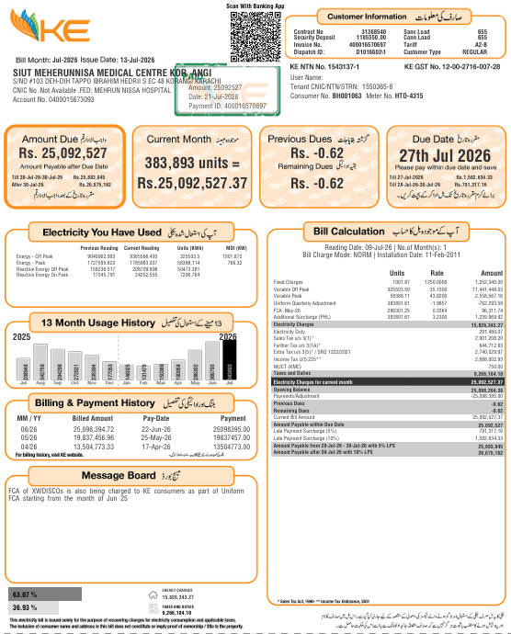
POWER FACTOR & CAPACITOR BANK DIAGNOSTIC CALCULATOR

Bill Based PF Correction + Existing Capacitor Bank + Solar CT Diagnostic + Transformer Shutdown

BILL DATA |  | CALCULATED CURRENT PF | 0.829
Energy - Peak | 368000.00
Energy - Off Peak | 53243.31 | DESIRED PF | 0.95
Reactive Energy - Peak | 254000.00
Reactive Energy - Off Peak | 30057.61 | Required Capacitor Capacity | 237.5 kVAR
MDI (kW) | 689.66

Note:This calculation and recommendation are based on the average monthly bill data and the current PF calculated from the information provided. Actual site conditions may differ. For further consultation or a detailed assessment, please contact our PFI Team at power.factor@ke.com.pk

RECOMMENDED CAPACITOR BANK
100 kVAR | 50 kVAR | 25 kVAR | 12.5 kVAR
2 | 0 | 1 | 1
7.5 kVAR | 5 kVAR | 2.5 kVAR | 3.5 kVAR
0 | 0 | 0 | 1

TOTAL RECOMMENDED BANK |  | STEP CONFIGURATION
237.5 |  | 2 × 100 kVAR, 1 × 25 kVAR, 1 × 12.5 kVAR, 1 × 2.5 kVAR

EXISTING CAPACITOR BANK
Do you already have a capacitor bank? |  | Yes
100 kVAR | 50 kVAR | 25 kVAR | 12.5 kVAR
2.00 | 1.00 | 1.00 | 1.00
7.5 kVAR | 5 kVAR | 3.5 kVAR | 2.5 kVAR
2.00 | 1.00 | 1.00 | 1.00
INSTALLED CAPACITY |  | BANK VS REQUIRED
313.50 |  | Installed bank is theoretically sufficient

TRANSFORMER ENERGIZED / FACTORY SHUTDOWN
Factory Load (kW) | Transformer Rating (kVA) | Existing Capacitor Bank? | Yes / No
0 | 750.00 | Est. No-load kVAR | 9.2878953482

RECOMMENDED NO-LOAD COMPENSATION
12.5

Engineering estimates are indicative. Final capacitor-bank selection, CT location, and transformer no load compensation should be verified against actual site measurements, equipment data and the applicable tariff/metering arrangement.

